Sheet1
Bug number or ID | Bug Titile | Platform/ Environment | Severity | Priority | Description | Steps to Reproduce | Expected Result | Actual Result | Screenshort | Status
BN-001 | Data Inconsistency | PC - Window 10 | High | P1 | Check if the Personal Details form remains empty after submitting the Personal Details form. | 1. Click submit. 2. Click browser’s back button (navigation to previous form page) | Data from all Fields must be empty | Data is present | 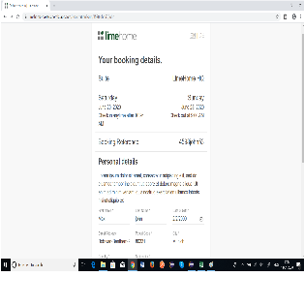 | Fail
Assigned to: XYZ Reposted By: XYZ Reported On: Jan 12, 2020

